TEAM APPAREL
 | FSMH RAC APPAREL ORDER FORM
 | ENHANCE IT EMBROIDERY LTD |  |  |  |  |  |  |  |  |  |  |  |  |  |  |  |  |  |  |  |  | Click here for online catalog
 | 10404 98 AVE FORT SASKATCHEWAN
 | PHONE | 780-998-7832 |  |  |  |  |  | TEAM:
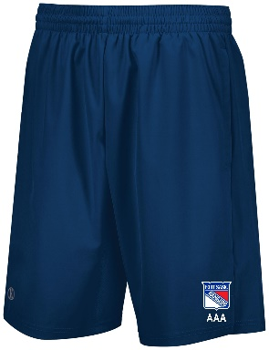
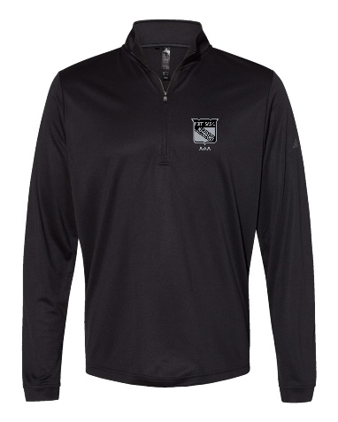
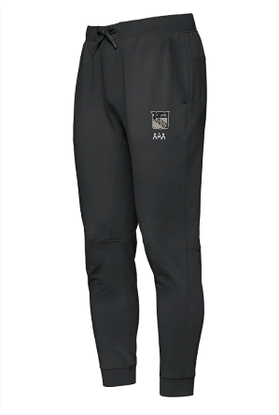
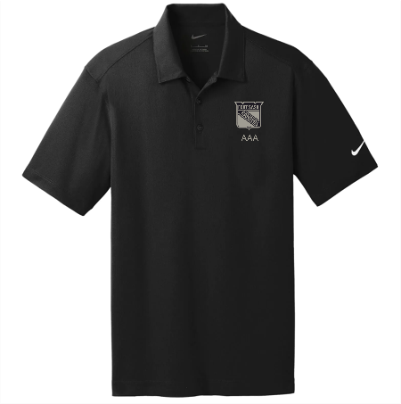
 | EMAIL | ENHANCEITEMBROIDERY@GMAIL.COM |  |  |  |  |  | MANAGER NAME & NUMBER:
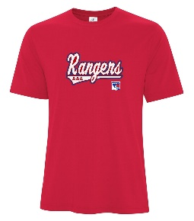
 |  |  |  |  |  |  |  |  |  |  |  |  |  |  |  |  |  |  |  |  |  |  |  |  |  |  |  |  |  |  |  |  |  |  |  |  |  |  |  |  |  |  |  |  |  |  |  |  |  |  |  |  | 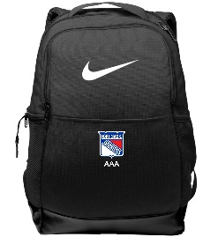

ROSTER |  |  | YOUTH HOODIE - L00550Y APPLIQUE |  |  | ADULT HOODIE - L00660 APPLIQUE |  |  |  |  |  | DRYLAND SHIRT - ATC 3600 |  |  |  |  |  |  |  |  | DRYLAND SHORTS - Holloway Weld Short |  |  |  |  |  |  |  |  | 1/4 ZIP - A401 ADIDAS LIGHTWEIGHT ZIP |  |  |  |  |  |  |  |  | P00865 - Globetrotter - Adult French Terry Performance Jogger |  |  |  |  |  | NIKE DRI-FIT POLO - 637167 |  |  |  |  |  |  |  |  | BACKPACK Nike DA7709 | RAC TOQUE | RAC BEANIE | PLAYER TOTAL
Prices include GST |  |  | $71.40 |  |  | $71.40 |  |  |  |  |  | $27.83 |  |  |  |  |  |  |  |  | $39.90 |  |  |  |  |  |  |  |  | $67.20 |  |  |  |  |  |  |  |  | $71.40 |  |  |  |  |  | $64.05 |  |  |  |  |  |  |  |  | $65.63 | $18.90 | $25.20
# | FIRST | LAST | YM | YL | YXL | XS | SM | M | L | XL | XXL | YM | YL | YXL | XS | SM | M | L | XL | XXL | YM | YL | YXL | XS | SM | M | L | XL | XXL | YM | YL | YXL | XS | SM | M | L | XL | XXL | XS | SM | M | L | XL | XXL | YM | YL | YXL | XS | SM | M | L | XL | XXL | OSFA | OSFA | OSFA
1
2
3
4
5
6
7
8
9
10
11
12
13
14
15
16
17
18
19
20
21
22
23
24
25
35

COACH
COACH
COACH
TRAINER
MANAGER

TOTALS

